Sheet1
Assignee | Priority | Tester Name | Issue Description | Device | Steps | Video / screenshot | Aashish's Comments | Kiran Comment | Status

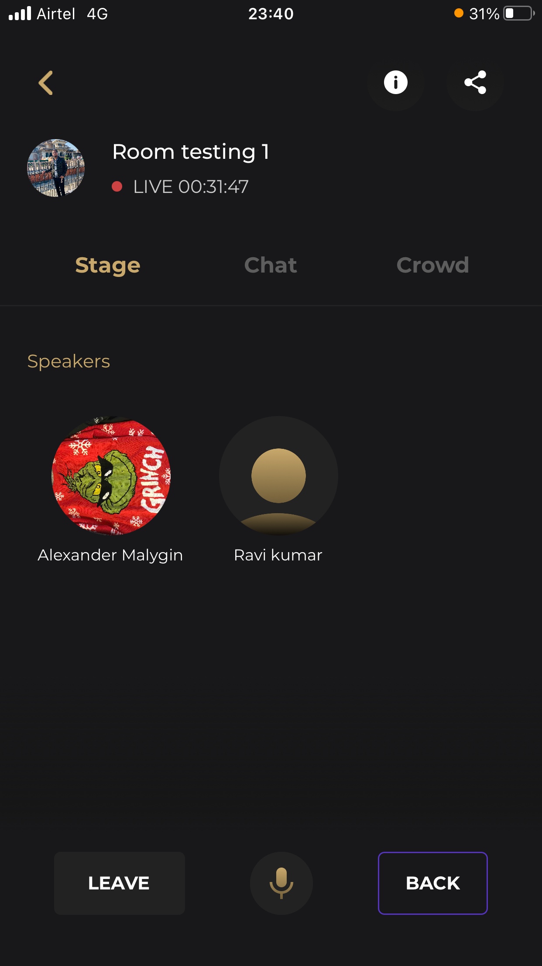
 |  | Maria Tiglao | Chat - User can spam the send button | iPhone SE (2020) | 1. Go to Rooms 2. Select a Live room 3. Select Chat 4. Type a word or phrase 5. Tap the send icon multiple times quickly | https://drive.google.com/file/d/1jqcO1F-FKUWvcDVtX605CHqLRxTaIbNb/view?usp=sharing | Need to Debounce Over the Send Icon |  | Passed
 |  | Alexander Malygin | The user see the delete post button for the member. But when pressed, nothing happens | iPhone 8 | 1. Pressed Chat in Room 2. Swipe participant messages |  | We don't have a need to show Delete Icons to Other Members Messsages, In App side other user don't have Permission to Delete Other People Messages.
 |  | Ahsan Ali | Join any room, try to join another remove before leaving first | iPhone 6 | 1. Joined any room 2. Scroll a little bit 3. Join any other room 4. App will crash | https://drive.google.com/file/d/1T6dOkyN3ATlctJpz8re9g3v9H0hDMjnB/view?usp=sharing | Not able To Replicate, Me and Kiran Both are trying to Reproduce it but not able to Replicate. |  | Passed
 |  | Mehatab Alam | Share not working | iphone-12 | 1. join a room 2. Go to chat 3. Click on your message to delete but don't delete it 4. Click on share icon & Observe that sharing is not working |  | It is a Bug, But yeah If we want to Fix that we need to Dismiss that Bottom Sheet, Whenever User Taps Else Where
 |  | Maria Tiglao | Chat - Recent chats does not show up quickly | iPhone SE (2020) | 1. Navigate Rooms via the Search nav 2. Select a Live room > Select Chat 3. Send a multiple chats 4. Make sure other users joined same room but has accessed the room via Room nav 5. Leave room 6. Access the via Room nav > select Chat 7. Observe that the recent sent chats logged in user sent are just appearing recently | https://drive.google.com/drive/folders/1SQKr7g09rDeiqyzvekIAKWMSGCuPBeHm?usp=sharing | Not Able to understand the Issue, Can you please a Bit More Descriptive,
 |  | Ahsan Ali | Low memory issue | iPhone 6 | 1. Joined any room 2. Scroll a little bit 3. Join any other room 4. App will crash | https://drive.google.com/file/d/1UIOHWTyNPmg0lV7nhoM-FkYchw6fNPGe/view?usp=sharing | I don't have Iphone 6 in my Posession, but Kiran is SomeHow able to manage that tomorrow. So will eventually update the Status after that. | Not able to produce in iphone 6 plus, coulnot manage iphone 6 | Still Crashing
 |  | Ajay Vyas | The host's Profile is showing empty when I go through the chat section. Also, Can not follow the host through this process. | iPhone 10 | 1. Go to Rooms 2. Join Any Live Room 3. Go to Chat section 4. Click on Host profile and go to details profile 5. Now, click on the Follow button | https://drive.google.com/file/d/1cOOMxcKYvwvkj94lGO0eqJH6E0Hru0nZ/view?usp=drivesdk | Not able To Replicate, Follow button is working |  | This issue is still there. You can see the attached video for a better understanding. https://drive.google.com/file/d/1RZ7eJnFIQUE_j7A5Rn0x7WoPDp-tCC1p/view?usp=sharing
 |  | Mehatab Alam | Chat room sent emoji in msg and its fluctuating | iPhone 12 | 1. when trying to type, second last & last messages are overlapping | https://drive.google.com/file/d/17Ww-LWIRLawG4aGNL5_9i3Rx0Mmdftxt/view?usp=sharing | Please Provide the Access for the Video,Not able to Play the Video
 |  | Mehatab Alam | Info & Back buttobn | iPhone12 | 1. select your message to delete but don't delete it 2. Click on buttons |  | Same as 6th One
 |  | Mehatab Alam | App got stuck on sharing old room & need to kill | iPhone 12 | 1. Join a live room 2. Get back from room 3. Share old room 4. Wait and watch app will stuck | https://drive.google.com/file/d/1EkaaF1KGimEcouULYCOi82fYHWVDZqk5/view?usp=sharing | Not able to, Replicate, For me and Kiran it is working
 |  | Mehatab Alam | This room was ended | iphone 12 | It randomly showing in live room
 |  | Mehatab Alam | All the button got freezed {Leave, Back, info} | iphon 12 | 1. Join the room 2. And change the host one by one leave the room and analyse | https://drive.google.com/file/d/1ZwcTnXCMPZkuEqf14JSOY8XEZkMR64ZO/view?usp=sharing | After Leaving the Room, Do i need to rejoin it, Is that, what you meant Over here, Please be more descriptive, Not able to understand
 |  | Ahsan Ali |  | iPhone 6 | 1. Joined any room 2. Typed the message 3. Clicked on Request to speak | https://drive.google.com/file/d/1Yynh9_-yTA-bf_ycL6cVODIB9KQDmhhx/view?usp=sharing | Not able to Replicate, |  | Still Crashing, Please check the video
 |  | Ravi kumar | The live session timer is different in info and on stage | iPhone 6s Plus | 1. Go to Rooms 2. Join Any Live Room 3. Observe the timer on the top 3. Click on the info button on the top right 5. Observe the timer |  | It is a bug | the time calculation for info model is not correct, need to be identical as that of Live Room | Passed
 |  | Ravi kumar | I'm outside the app and when I'm speaking my profile is being highlighted | iPhone 6s Plus |  |  |  |  | Passed
 |  | Ravi kumar | I have left the room and joined another room but can see the people of older room in this one too | iPhone 6s Plus |  |  |  |  | Reopen
 |  | Prem Gupta | Message displayed twice on Chat section, one on message area and one on the top. | iPhone 11 | 1. Go to Live Rooms. 2. Join any live rooms. 3. Go to Chat section. 4. When there are multiple chats , we can see one on top and one on message section. |  | I think it is not a bug,it is pinned message Functionality
 |  | Prem Gupta | Unable to close delete popup on chat section. | iPhone 11 | 1. Go to Live Rooms. 2. Join any live rooms. 3. Go to Chat section. 4. Click on ellipsis icon of own message. 5. Click on close icon, it works after multiple attempts | https://docs.google.com/document/d/1U1thyR0IS6lD23HIBwr36fiKi2F9UyEFpR_T2TlwOhU/edit?usp=sharing | It is working fine for me and for Kiran as well
 |  | Maria Tiglao | Room Host Profile - Follow button not working | iPhone SE (2020) | 1. View Live rooms 2. Tap info 3. Tap the profile under "Guests & Co-hosts 4. Close the info modal 5. The profile should show 6. Tap Follow | https://drive.google.com/file/d/1eDqBIJIWntiOEZ5rGnl3bB_pVHU19plJ/view?usp=sharing | IT is a bug, The modal is not dismissing over here |  | Passed | -The Guests and Co-hosts section has been removed in the Live Room info section which cannot anymore redirect to the host profile and tap the Follow button. -Follow button is now working when tapped under Suggested People or Search > People
 |  | Alexander Malygin | When open Chat in Room and pressed user. Open empty public profile. | iPhone 8 | 1. Open Room 2. Select some user 3. Open profile. But profile is empty | https://drive.google.com/file/d/11tv5wxQKKUK4OYyMsRmnz8gAxLlhSNIm/view?usp=sharing | Not able to Replicate, It is showing Profile for me
 |  | Maria Tiglao | Room Info is blocking the Host Profile | iPhone SE (2020) | 1. View Live rooms 2. Tap info 3. Tap the profile under "Guests & Co-hosts 4. Close the info modal 5. The profile should show Expected Result: When the host profile is viewed, the Live room modal should automatically close or go down so user can view the host profile | https://drive.google.com/file/d/1eDqBIJIWntiOEZ5rGnl3bB_pVHU19plJ/view?usp=sharing | Same as 21th |  | Passed | The Guests and Co-hosts section has been removed in the Live Room info section which cannot anymore redirect to the host profile that's been blocked by the modal.
 |  | dhaval raiyani | My device has network issue and I am getting "bad signal" error message that's fine. but i also getting this message while I am in high network | iPhone 11 | 1. first you need to low network. 2. open application and you getting bad netwok popup. 3. now comes in high network and you can still getting popup | https://drive.google.com/file/d/1yCn7GYyxYJ4ax4tQKMxbtrYl-y5VaWSi/view?usp=sharing |  |  | Passed
 |  | Aditya Gupta | When clicking on any room from Live Room, user redirected to Room Testing room. | iPhone 11 | 1. Open app. 2. Go to Live Room. 3. Click on any room. 4. User redirected to Room Testing | https://drive.google.com/file/d/1yCn7GYyxYJ4ax4tQKMxbtrYl-y5VaWSi/view?usp=sharing
 |  | dhaval raiyani | while I am searching live rooms it's shows "no result found!" and under this message I see the searched result. | iphone 11 | 1. try to search live room and click on go from the keyboard 2. you can see no result found message 3. under the message you can see searched result is there |  | Not able to replicate,
 |  | Ahsan Ali | On Joining test room, try to send message in chat, app crashed | iPhone 6 | 1. Joined any room 2. Send Message in room 3. App will crash | https://drive.google.com/file/d/1Gf5eYHPgA_oIbIozt9i1h16NxIc_yIUT/view?usp=sharing | Not able to replicate,it is working fone for me and for Kiran as well |  | Passed
 |  | dhaval raiyani | share button is not working in live room | iphone 11 | 1. join the live room 2. click on share icon top right | https://drive.google.com/file/d/1yCn7GYyxYJ4ax4tQKMxbtrYl-y5VaWSi/view?usp=sharing | IT is working for me and for Both Kiran, Not able Replicate |  | Passed
 |  | dhaval raiyani | i am in croud and while I am inviting the "select all" button is not working | iphone 11 | 1. Join the live room. 2. select crowd tab 3. select invite option. 4. click on "select all" button from the popup | https://drive.google.com/file/d/1yCn7GYyxYJ4ax4tQKMxbtrYl-y5VaWSi/view?usp=sharing | IT is working for me and for Both Kiran, Not able Replicate |  | Passed
 |  | Ahsan Ali | On Joining test room, Just scroll the app continuosuly, app crashed | iPhone 6 | 1. In Live rooms 2. Scroll Continuously 3. App will crash | https://drive.google.com/file/d/1-609iUjX6CGXbN0y_JsUWXvfeyjBmwxJ/view?usp=sharing | IT is working for me and for Both Kiran, Not able Replicate |  | Still Crashing
 |  | Ravi kumar | After the room got ended searched for the room and the screen got stuck | iPhone 6s Plus
 |  | Ravi kumar | After the room got restarted after sometime it is showing it got ended again
 |  | Alexander Malygin | After search room. Show "No result found" | iPhone 8 |  | https://drive.google.com/file/d/1Rh_Q1MQdjJB4-ZsP7sIdPR29joDcC3qG/view?usp=sharing
 |  | Ravi kumar | While searching for the room in the search bar, it is showing no results found and below that text we can find the results |  |  |  |  |  | Reopen
 |  | Ahsan Ali | On internet switching, It show me the message "This room was ended" | iPhone 6 | 1. In Live rooms 2. Join any room 3. Turn off the wifi router 4. It will show the message 5. I feel after that it showed me randomly agian and again | https://drive.google.com/file/d/13NNIexFKf7fLWEedDKeTf6QutZ3Ryrzk/view?usp=sharing | Yes it is a bug,
 |  | dhaval raiyani | duplicate message is visible while we are multiple click on send icon in the chat | iPhone 11 | 1. join in live room 2. select chat option 3. type some thing and multiple clicks on send icon | https://drive.google.com/file/d/1yCn7GYyxYJ4ax4tQKMxbtrYl-y5VaWSi/view?usp=sharing | Same as One of the Above One i think it is same as first bug |  | Passed
 |  | Aditya Gupta | When clicked on my icon from Live room, timinng as live was incorrect. My live time was 15 mins and in my page it displayed 6 hours. | iPhone 11 | 1. Open app. 2. Go to Live Room. 3. Click on Room Testing. 4. Click on own icon. 5. Check the time of live. | https://docs.google.com/document/d/1YfZqu1_DBNysmOeG1yn5LCEmxrW7miZSgNfkO8d6O2g/edit?usp=sharing | Same as One of the Above One.

 |  | Madhavi Gawande | My screen was stuck when tried to join the room again. | iPhone 8 | 1. Leave the room. 2. Selected the room again 3. I saw the following screen. 4. Try to click on back arrow on the top but was not working. | https://drive.google.com/file/d/1U-IcIiV0e1070K8Rs2I1jT Pd-yjfwYn4/view?usp=drivesdk | The network issues maybe , but yes you are right,We need to add some Loaders over there,
 |  | Alexander Malygin | When trying to close the room, it returned a 403 error. | iPhone 8 | 1. Pressed settings 2. Pressed End room | https://drive.google.com/file/d/1VpdImmeiIZ_9U-jcI80ardV_gZ-yJqda/view?usp=sharing | Not able to replicate, IT is working fine for me and Kiran
 |  | Alexander Malygin | On the login screen, when the keyboard is opened, the logo rises and a lag occurs as in the video |  |  | https://drive.google.com/file/d/1HtfzUH8bfJ7QgiGc-k_w09I_zY53eygo/view?usp=sharing
 |  | dhaval raiyani | while app is in background, there is no option from the notofication bar to leave chat room. same as like we are playing music and notification bar showing options. | iPhone 11 | 1. join the live room 2. move to home screen (direct close the application)

 |  | Asof Now While me( Aashish )and Kiran were testing we sensed that, Some of the Bugs are Duplicative and most of them we not able to Replicate, So at total as per our Analysis, i think we have 7 Bugs in Total Expect the one whic hwe not able to Replicate.

 |  | Ahsan Ali | Low memory issue | iPhone 6 | 1. Join a room with as many people as possible 2. Try to move to & fro from app in many interations 3. App will crash |  |  |  | Still Crashing
 |  | Ravi kumar | Follow button is not working |  | 1. Clicked on the profile pic from chat 2. Clicked on follow 3.it's not working
 |  | Ravi kumar | App is crashing when moving in and out of the app

